시트1
Project Name: | NextLevel Research Conference Management System
Test CaseID | T5.2
Test Case Description | Author view reviews of my own & co-author papers
Created by: | Yechan Kim
Date of testing: | 10th November 2022
Actor: | Author
Pre-condition: | Logged in as author
 | Author should submit at least one paper.
 | Reviewer bade for the paper.
 | Conference chair allocated paper to the reviewer.
 | The reviewer submitted review and score on the paper.

Test Step | Step Details | Test Data | Expected Results | Actual Results | Pass/Fail/Not executed/Suspended | Screenshots, if possible | Remarks
T5.2 - 1 | Author clicks "Rate Review" button. | paper_authors(paper_id, reviewer_id) | System will direct user to rate review page. The user should be able to view a list of reviews that is to be rated by author or is reviewed already. | System directs user to rate review page. | Pass | 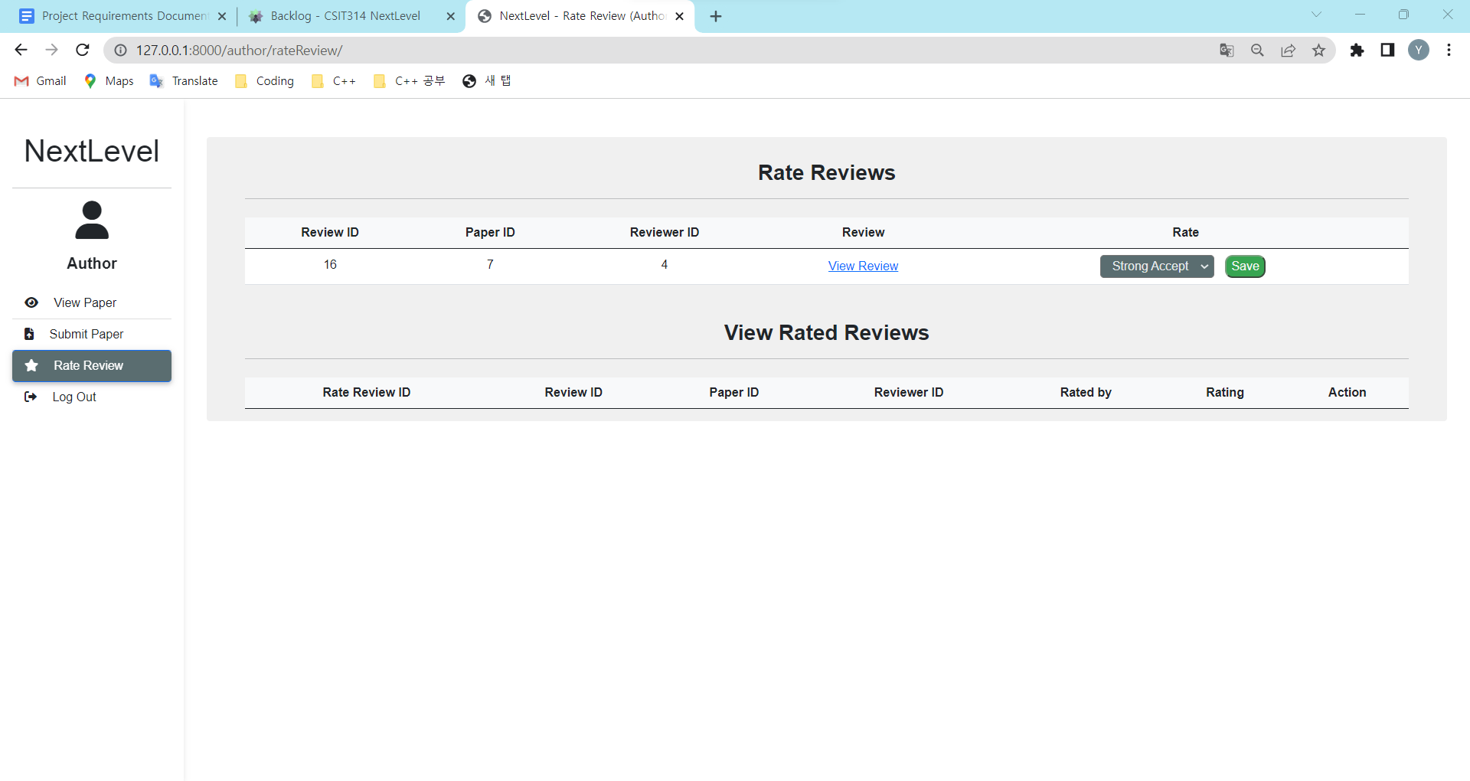
T5.2 - 2 | Author clicks "View Review" button on particular paper. |  | System will direct user to view review page. The user should be able to view paper review. | System directs user to view review page. | Pass | 